DashBoard
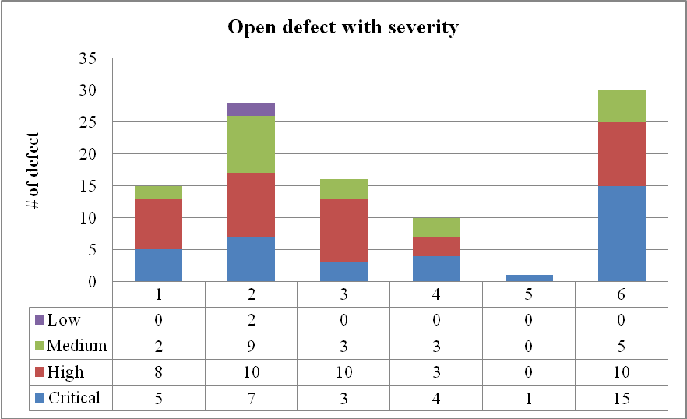
Bull Eyes Chart

Bull Eyes Chart
 | SPI | CPI
 | 0.86 | 0.86
 | 1.00 | 1.06
 | 1.00 | 1.05
 | 1.00 | 1.05
 | 1.00 | 1.05
 | 1.00 | 1.05
 | 1.00 | 1.05
 | 1.00 | 1.05
 | 1.00 | 1.05
 | 1.00 | 1.04
 | 1.00 | 1.04
 | 1.00 | 1.04
 | 1.00 | 1.04
 | 1.00 | 1.04
 | 1.00 | 1.04
 | 1.00 | 1.04
 | 1.00 | 1.04
 | 1.00 | 1.04
 | 1.00 | 1.04
 | 1.00 | 1.04
 | 1.00 | 1.04
 | 1.00 | 1.04
 | 1.00 | 1.04
 | 1.00 | 1.04
 | 1.00 | 1.04
 | 1.00 | 1.03
 | 1.00 | 1.03
 | 1.00 | 1.03

Defect Status

Buget
Through Week 28
 | BCWS | BCWP | ACWP
Project Data | $7,443.27 | $6,840.62 | $6,420.00
Setup and Project Management | $1,120.00 | $1,120.00 | $1,084.00
Release 1 | $1,332.00 | $1,332.00 | $1,292.00
Release 2 | $2,434.86 | $2,434.86 | $2,164.00
Release 3 | $2,556.41 | $1,953.76 | $1,880.00
Release 4 | $0.00 | $0.00 | $0.00

Defect
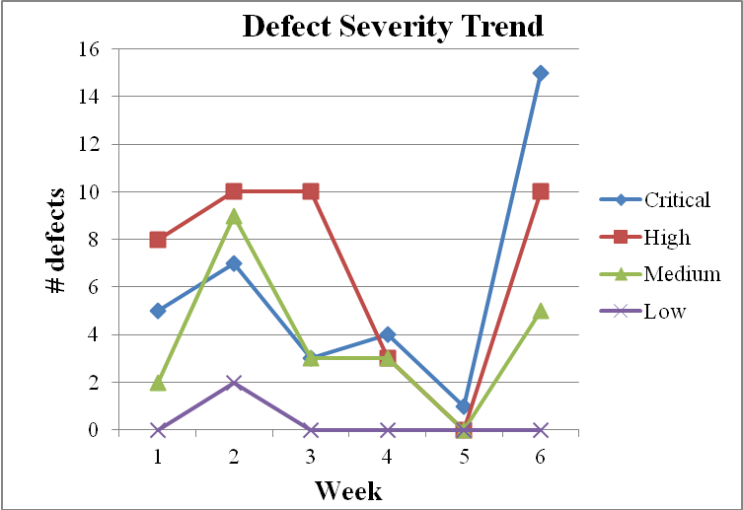
Defect Status

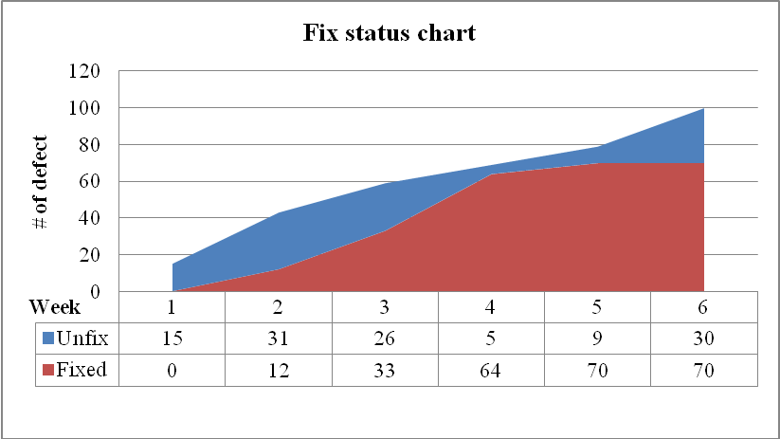
Total days: 45
Number of defect opened: 100
Number of defect closed: 70
Rate defect closed/defect opened: 70%

